Sheet1
Name | Description | Image
HPE G2 Enterprise Series Racks | Rack capacity 3000 lbs static, 3000 lbs rolling Dynamic load 3000 lb (1361 kg) Static load 3000 lb (1361 kg) Door color Black with industry standard flush locking handle and silver accents Frame color Black Avalabile models:SKU # P9K37A SKU # P9K48A SKU # P9K45A SKU # P9K38A SKU # P9K46A SKU # P9K52A SKU # P9K39A SKU # P9K40A SKU # P9K50A AP9K41A | 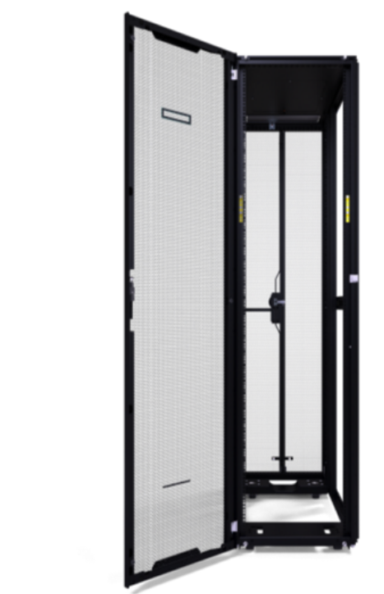 Rack/Rack_Images\HPE_G2_Enterprise_Series_Racks.jpg
HPE G2 enterprise series racks | Rack capacity 3000 lbs static, 3000 lbs rolling Dynamic load 3000 lb (1361 kg) Static load 3000 lb (1361 kg) Door color Black with industry standard flush locking handle and silver accents Frame color Black Available in :SKU # P9K42A,SKU # P9K58A | 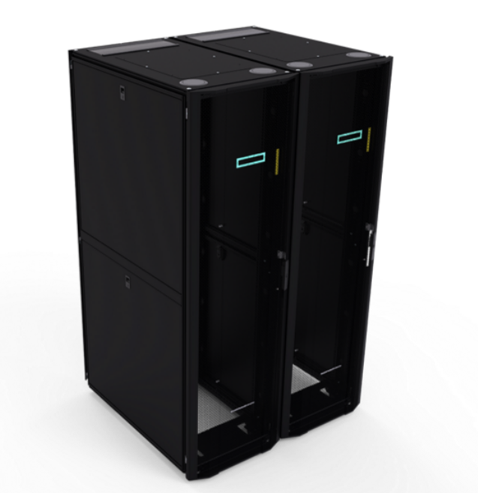 Rack/Rack_Images\HPE_G2_enterprise_series_racks.jpg
HPE G2 PALLET Racks | Height 42U width800mm depth 1075mm Total cabinet area 78.98 x 44.30 x 31.34 in (200.66 x 112.52 x 79.78 cm) Available in : P9K60A,P9K43A | 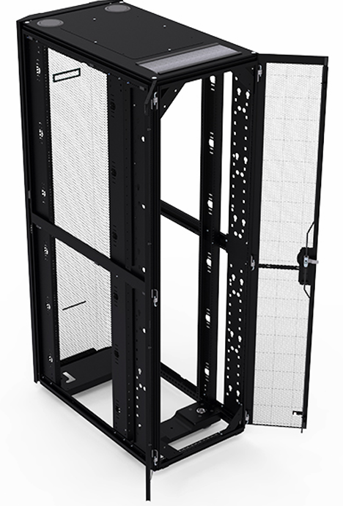 Rack/Rack_Images\HPE_G2_PALLET_Racks.jpg
HPE G2 Advanced Series Racks | Total cabinet area Varies from 90.39 x 43.63 x 23.54 in. (229.58 x 110.82 x 59.78 cm) for 48U rack to 23.54 x 44.3 x 43.64 in (59.78 x 112.52 x 110.84 cm) for 22U rackStatic load 3000 lbs (1361 kg) Dynamic load 2250 lbs (1134 kg) Door color Black with flush locking handle Frame color Black - 0712 - 16:00 EMEA Rack height 22U, 36U, 42U, 48U Rack depth 1075mm or 1200mm Rack width Warranty 600mm or 800mm Available models :SKU # P9K06A SKU # P9K03A SKU # P9K05A SKU # P9K04A SKU # P9K09A | 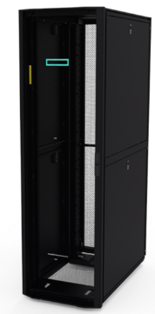 Rack/Rack_Images\HPE_G2_Advanced_Series_Racks.jpg
HPE G2 Enterprise series racks | Available models;P9K57A SKU # P9K10A SKU # P9K15A SKU # P9K07A SKU # P9K08A P9K51A | 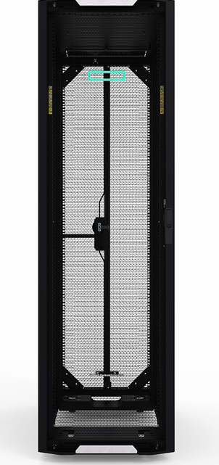 Rack/Rack_Images\HPE_G2_Enterprise_series_racks.jpg
HPE Composable Rack-a00059 | HPE FM 3106 passive optical interconnect module1 HPE FM 3180 or FM 3132Q Composable Fabric Connectivity Modules2 Aruba 48-port 1G switch3 Choice of: HPE ProLiant DL360 Gen10 (as shown, but could be any supported HPE rack server model) Choice of any supported HPE ProLiant Gen 10 (DL360, DL380, DL560, DL580, DL325, DL385, DX360, DX380), or HPE ProLiant DL380 Gen10 6126 2P 256GB 8SFF Server for All Flash 6 VMware vSAN Certified ReadyNode NOTE1: Only with multiple racks NOTE2: Two per rack (for redundancy); each switch pair supports up to 40 HPE servers with redundant 25G connections NOTE3: iLO aggregation 1G switch | 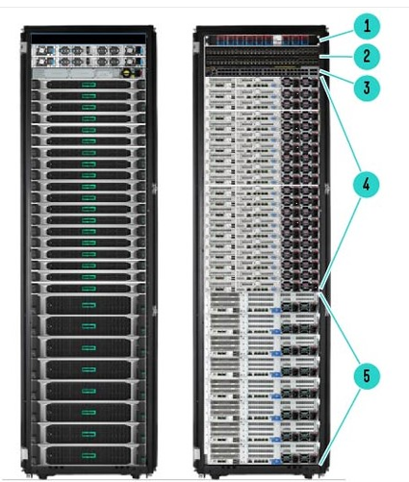 Rack/Rack_Images\HPE_Composable_Rack-a00059.jpg
HPE Apollo f8000 Rack-c043907 | One or more Apollo f8000 Racks with HPE ProLiant XL730f, XL740f and XL750f Gen9 Servers, one or more HPE Apollo 8000 iCDU Racks, and their associated onboard CDU control system. Primary plumbing interface assembly kit that connects the individual Apollo 8000 iCDUs Racks to the facility water system. Secondary plumbing system that connects the individual the Apollo f8000 Racks to the HPE Apollo 8000 iCDU Racks. This secondary closed loop system provides cooling for the Apollo f8000 Rack and isolates it from untreated, potentially incompatible primary water. High-speed (FDR) InfiniBand networking built into the Apollo f8000 Rack. Integrated 1GbE Ethernet switch built into the utility section of Apollo f8000 Rack. | Rack/Rack_Images\HPE_Apollo_f8000_Rack-c043907.jpg

